TestCase Registration Form
 | Page | Student Registration Form (SRF)
 | Author | Ngoc Mai Dang
 | Page Link | https://demoqa.com/automation-practice-form

TC ID | Test Scenario | Test Description | Test Type | Pre-Condition | Step | Test Data | Expected result | Actual results | Status | Note
 | user story
TC-SRF-1 | Verify Successful Submission of Registration Form | This test checks whether the user can successfully fill out the registration form and submit it | Functionality | The user has accessed the registration form | 1. Open the browser and go to https://demoqa.com/automation-practice-form 2. Fill out all the required information in the registration form (First Name, Last Name, Email, Mobile Number, Gender, Date of Birth, Subjects, Hobbies, Picture, Current Address) 3. Click on the "Submit" button | First Name: Mai Last Name: Dang Email: ngocmai197@gmail.com Gender: Female Mobile: 0915198911 Date Of Birth: 1992-07-19 Subjects: Maths Hobbies: Reading Picture: attached file Current Address: 257 Ben Van Don, Ward 2, District 4, HCMC State and City: Utta Pradesh Lucknow | The form is filled out completely, and there is a confirmation page displayed on the screen showing the successfully submitted information | 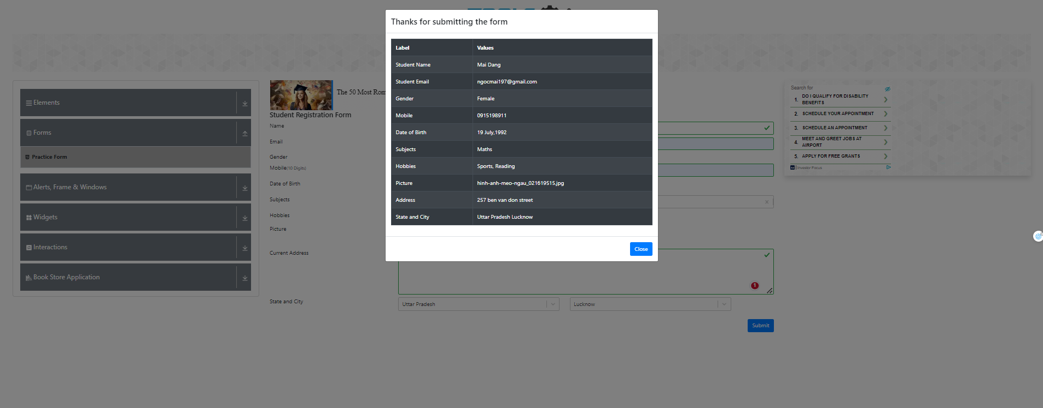 | PASS
TC-SRF-2 | Verify Mandatory Fields Validation (first Name) | This test ensures that the system enforces validation for mandatory fields (First name) There are 6 mandatory fields to enter: first name, last name, email, gender, mobile number, date of birth. | Functionality | The user has accessed the registration form | 1. Open the browser and go to https://demoqa.com/automation-practice-form 2.Click on the "Submit" button without entering any data in the mandatory fields (First Name) | First Name: Non fill Last Name: Dang Email: ngocmai197@gmail.com Gender: Female Mobile: 0915198911 Date Of Birth: 1992-07-19 Subjects: Maths Hobbies: Reading Picture: attached file Current Address: 257 Ben Van Don, Ward 2, District 4, HCMC State and City: Utta Pradesh Lucknow | When the mandatory fields are empty, the website will display these fields in a red box outline, and they will be marked with a red exclamation mark at the end to indicate that they must be filled in | 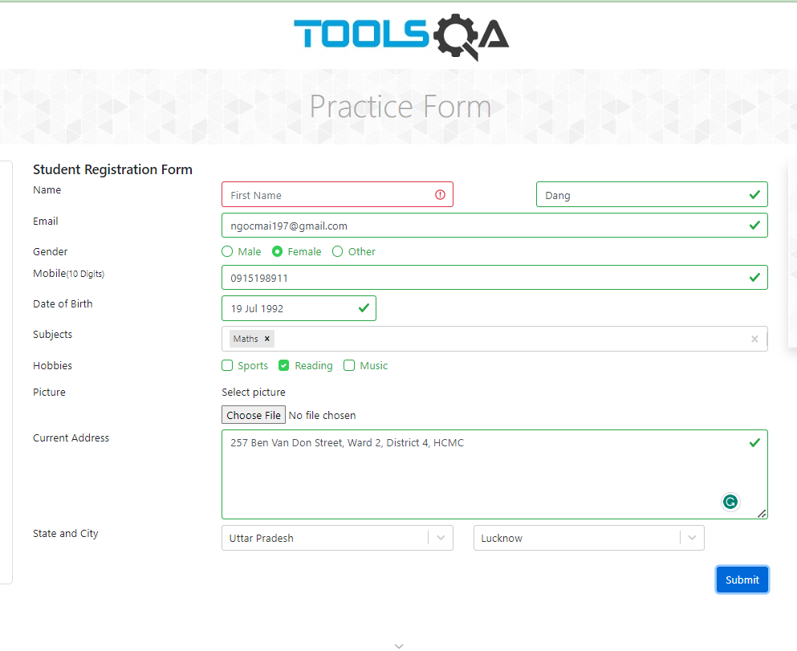 | PASS
TC-SRF-3 | Verify Mandatory Fields Validation (Last Name) | This test ensures that the system enforces validation for mandatory fields (Last name) There are 6 mandatory fields to enter: first name, last name, email, gender, mobile number, date of birth. | Functionality | The user has accessed the registration form | 1. Open the browser and go to https://demoqa.com/automation-practice-form 2.Click on the "Submit" button without entering any data in the mandatory fields (Last Name) | First Name: Mai Last Name: Non fill Email: ngocmai197@gmail.com Gender: Female Mobile: 0915198911 Date Of Birth: 1992-07-19 Subjects: Maths Hobbies: Reading Picture: attached file Current Address: 257 Ben Van Don, Ward 2, District 4, HCMC State and City: Utta Pradesh Lucknow | When the mandatory fields are empty, the website will display these fields in a red box outline, and they will be marked with a red exclamation mark at the end to indicate that they must be filled in | 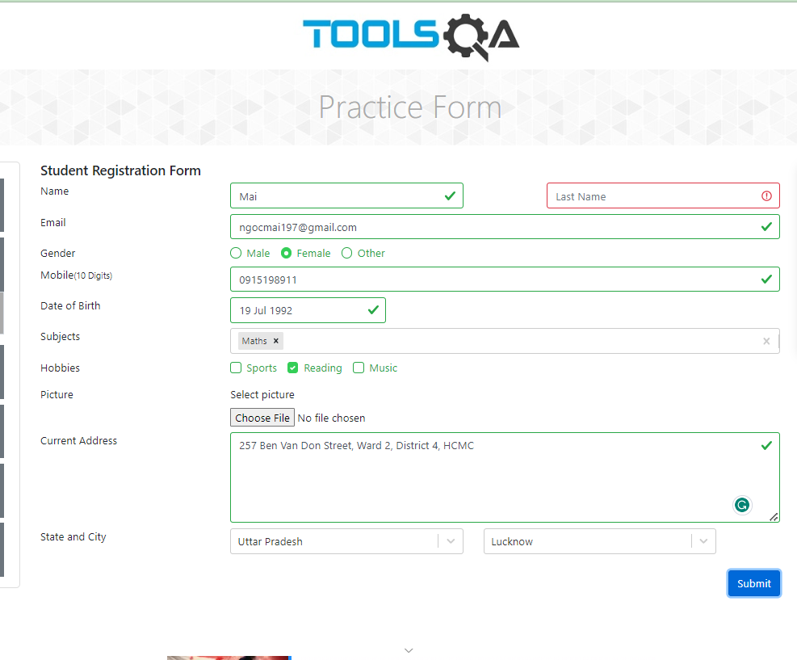 | PASS
TC-SRF-4 | Verify Mandatory Fields Validation (Email) | This test ensures that the system enforces validation for mandatory fields (Email) There are 6 mandatory fields to enter: first name, last name, email, gender, mobile number, date of birth. | Functionality | The user has accessed the registration form | 1. Open the browser and go to https://demoqa.com/automation-practice-form 2.Click on the "Submit" button without entering any data in the mandatory fields (Email) | First Name: Mai Last Name: Dang Email: non fill Gender: Female Mobile: 0915198911 Date Of Birth: 1992-07-19 Subjects: Maths Hobbies: Reading Picture: attached file Current Address: 257 Ben Van Don, Ward 2, District 4, HCMC State and City: Utta Pradesh Lucknow | When the mandatory fields are empty, the website will display these fields in a red box outline, and they will be marked with a red exclamation mark at the end to indicate that they must be filled in | 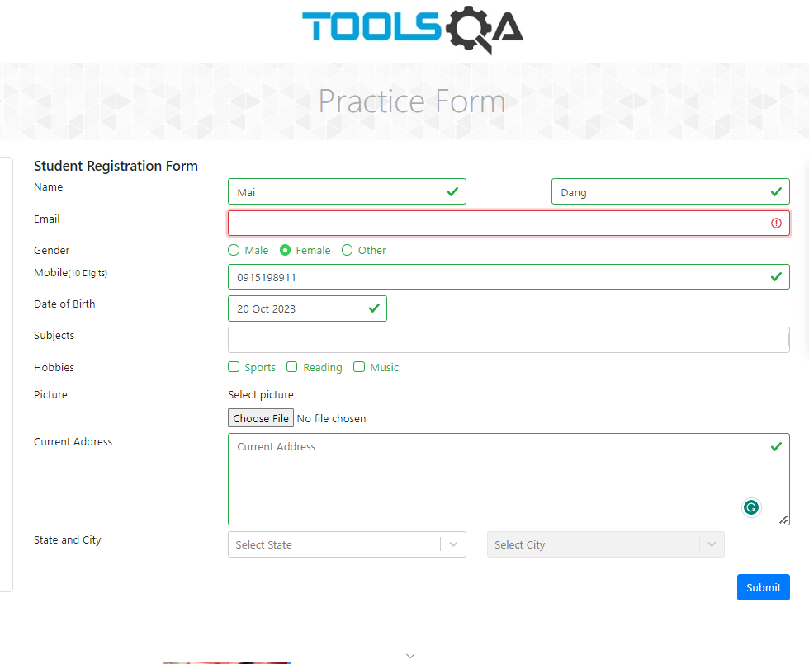 | PASS
TC-SRF-5 | Verify Mandatory Fields Validation (Gender) | This test ensures that the system enforces validation for mandatory fields (Gender) There are 6 mandatory fields to enter: first name, last name, email, gender, mobile number, date of birth. | Functionality | The user has accessed the registration form | 1. Open the browser and go to https://demoqa.com/automation-practice-form 2.Click on the "Submit" button without entering any data in the mandatory fields (Gender) | First Name: Mai Last Name: Dang Email: ngocmai197@gmail.com Gender: Non Click Mobile: 0915198911 Date Of Birth: 1992-07-19 Subjects: Maths Hobbies: Reading Picture: attached file Current Address: 257 Ben Van Don, Ward 2, District 4, HCMC State and City: Utta Pradesh Lucknow | When the mandatory fields are empty, the website will display these fields in a red box outline, and they will be marked with a red exclamation mark at the end to indicate that they must be filled in | 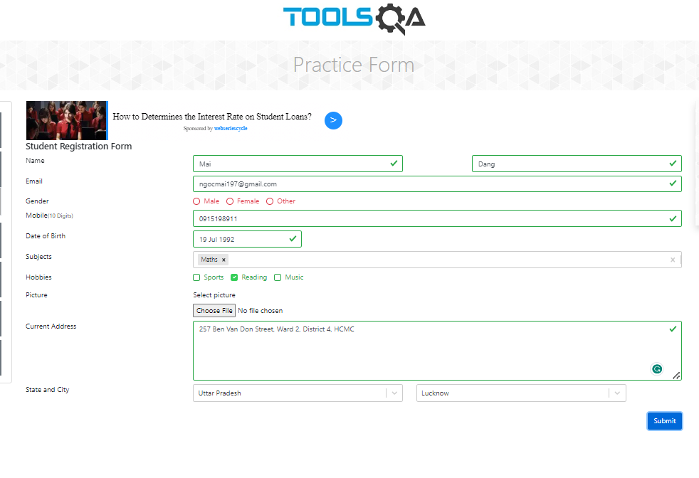 | PASS
TC-SRF-6 | Verify Mandatory Fields Validation (Mobile) | This test ensures that the system enforces validation for mandatory fields (mobile) There are 6 mandatory fields to enter: first name, last name, email, gender, mobile number, date of birth. | Functionality | The user has accessed the registration form | 1. Open the browser and go to https://demoqa.com/automation-practice-form 2.Click on the "Submit" button without entering any data in the mandatory fields (Mobile) | First Name: Mai Last Name: Dang Email: ngocmai197@gmail.com Gender: Female Mobile: non fill Date Of Birth: 1992-07-19 Subjects: Maths Hobbies: Reading Picture: attached file Current Address: 257 Ben Van Don, Ward 2, District 4, HCMC State and City: Utta Pradesh Lucknow | When the mandatory fields are empty, the website will display these fields in a red box outline, and they will be marked with a red exclamation mark at the end to indicate that they must be filled in | 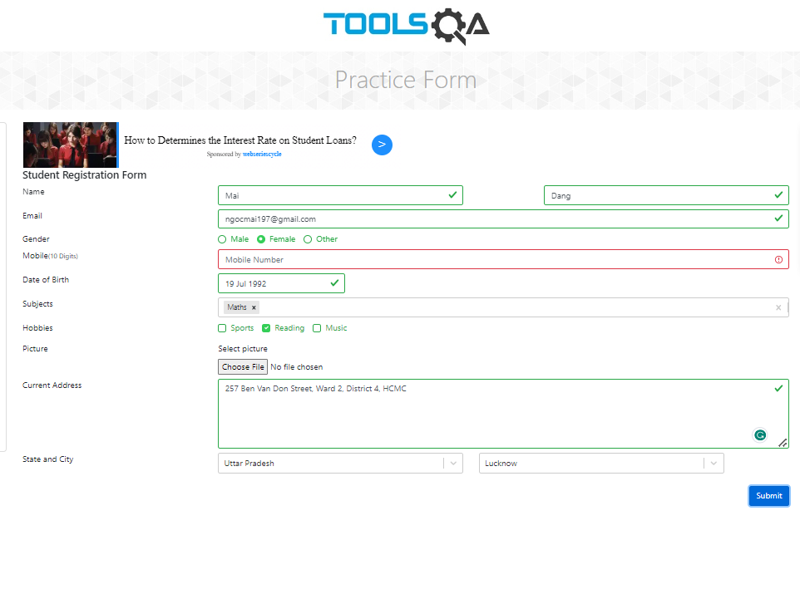 | PASS
TC-SRF-7 | Verify Mandatory Fields Validation (Date of birth) | This test ensures that the system enforces validation for mandatory fields (Date of birth) There are 6 mandatory fields to enter: first name, last name, email, gender, mobile number, date of birth. | Functionality | The user has accessed the registration form | 1. Open the browser and go to https://demoqa.com/automation-practice-form 2.Click on the "Submit" button without entering any data in the mandatory fields(Date of birth) | First Name: Mai Last Name: Dang Email: ngocmai197@gmail.com Gender: Female Mobile: 0915198911 Date Of Birth: non fill Subjects: Maths Hobbies: Reading Picture: attached file Current Address: 257 Ben Van Don, Ward 2, District 4, HCMC State and City: Utta Pradesh Lucknow | When the mandatory fields are empty, the website will display these fields in a red box outline, and they will be marked with a red exclamation mark at the end to indicate that they must be filled in |  | PASS
TC-SRF-8 | Verify Error for Invalid Email Format | This test ensures that the system detects and displays an error for an improperly formatted email | Functionality | The user has accessed the registration form | 1.Open the browser and go to https://demoqa.com/automation-practice-form 2.Enter an invalid email format 3.Click on the "Submit" button | First Name: Mai Last Name: Dang Email: ngocmai197@gmail Gender: Female Mobile: 0915198911 Date Of Birth: 1992-07-19 Subjects: Maths Hobbies: Reading Picture: attached file Current Address: 257 Ben Van Don, Ward 2, District 4, HCMC State and City: Utta Pradesh Lucknow | When the emal is not improper, the website will display email field in a red box outline, and it will be marked with a red exclamation mark at the end to indicate that it must be filled in with correct formatted email | 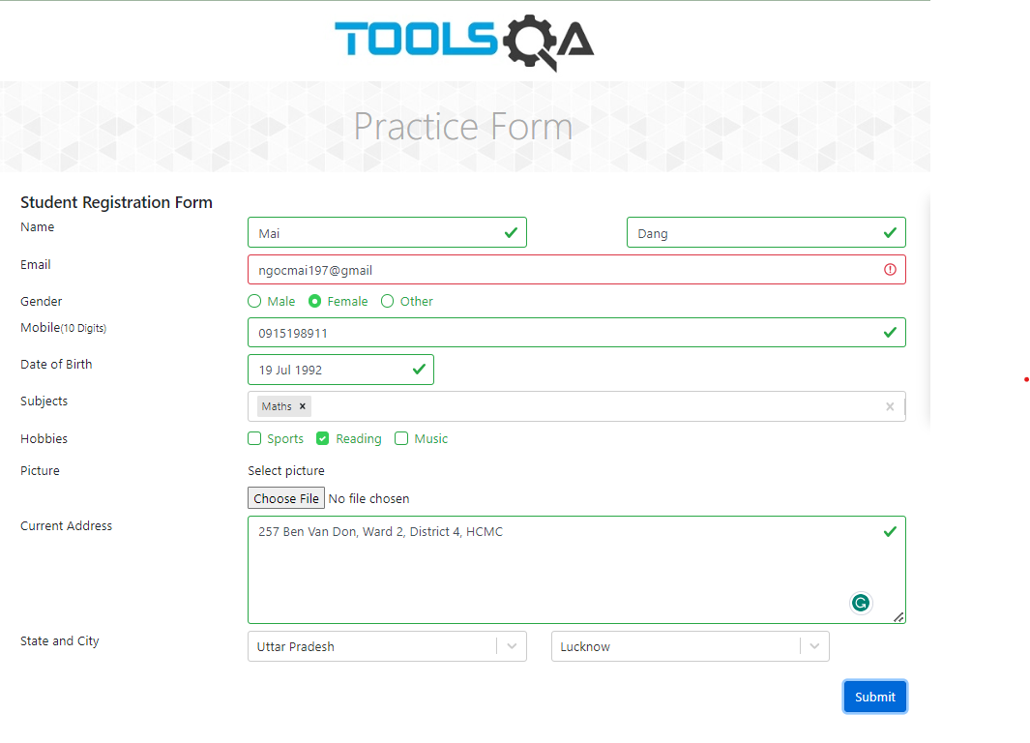 | PASS
TC-SRF-9 | Verify Error for Invalid Mobile Number | This test ensures that the system detects and displays an error for an improperly formatted mobile number | Functionality | The user has accessed the registration form | 1.Open the browser and go to https://demoqa.com/automation-practice-form 2.Enter an invalid mobile number 3.Click on the "Submit" button | First Name: Mai Last Name: Dang Email: ngocmai197@gmail.com Gender: Female Mobile: +84915198911 Date Of Birth: 1992-07-19 Subjects: Maths Hobbies: Reading Picture: attached file Current Address: 257 Ben Van Don, Ward 2, District 4, HCMC State and City: Utta Pradesh Lucknow | When the mobile field is not improper, the website will display it in a red box outline, and it will be marked with a red exclamation mark at the end to indicate that it must be filled in with correct formatted mobile number | 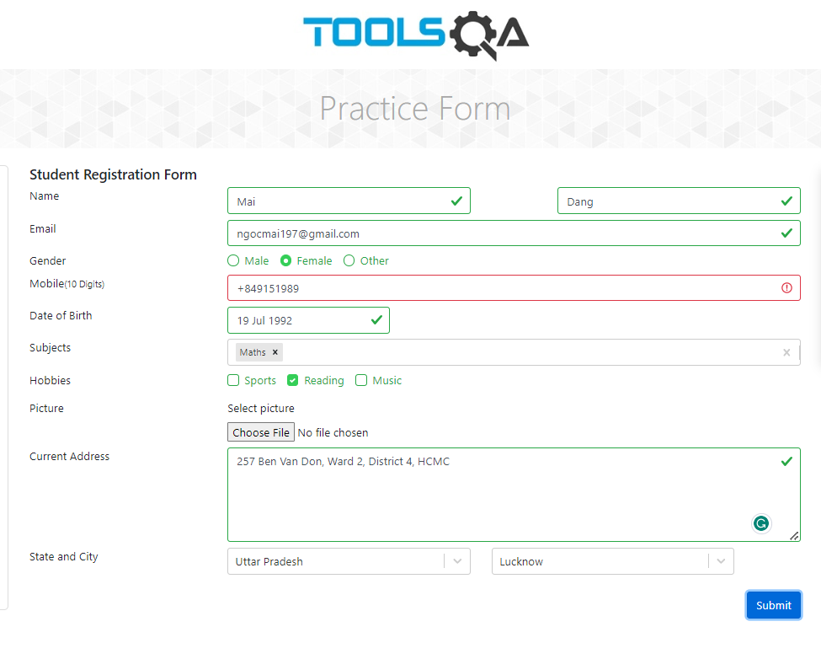 | PASS
TC-SRF-10 | Verify Correct Display of Selected Subjects | This test ensures that the subjects selected by the user are displayed accurately on the form | Functionality | The user has accessed the registration form | 1.Open the browser and go to https://demoqa.com/automation-practice-form 2.Select multiple subjects from the Subjects section 3.Click on the "Submit" button | First Name: Mai Last Name: Dang Email: ngocmai197@gmail.com Gender: Female Mobile: 0915198911 Date Of Birth: 1992-07-19 Subjects: Maths, English Hobbies: Reading Picture: attached file Current Address: 257 Ben Van Don, Ward 2, District 4, HCMC State and City: Utta Pradesh Lucknow | The form is filled out completely, and there is a confirmation page displayed on the screen showing true information with selected subjects ( Math, English) | 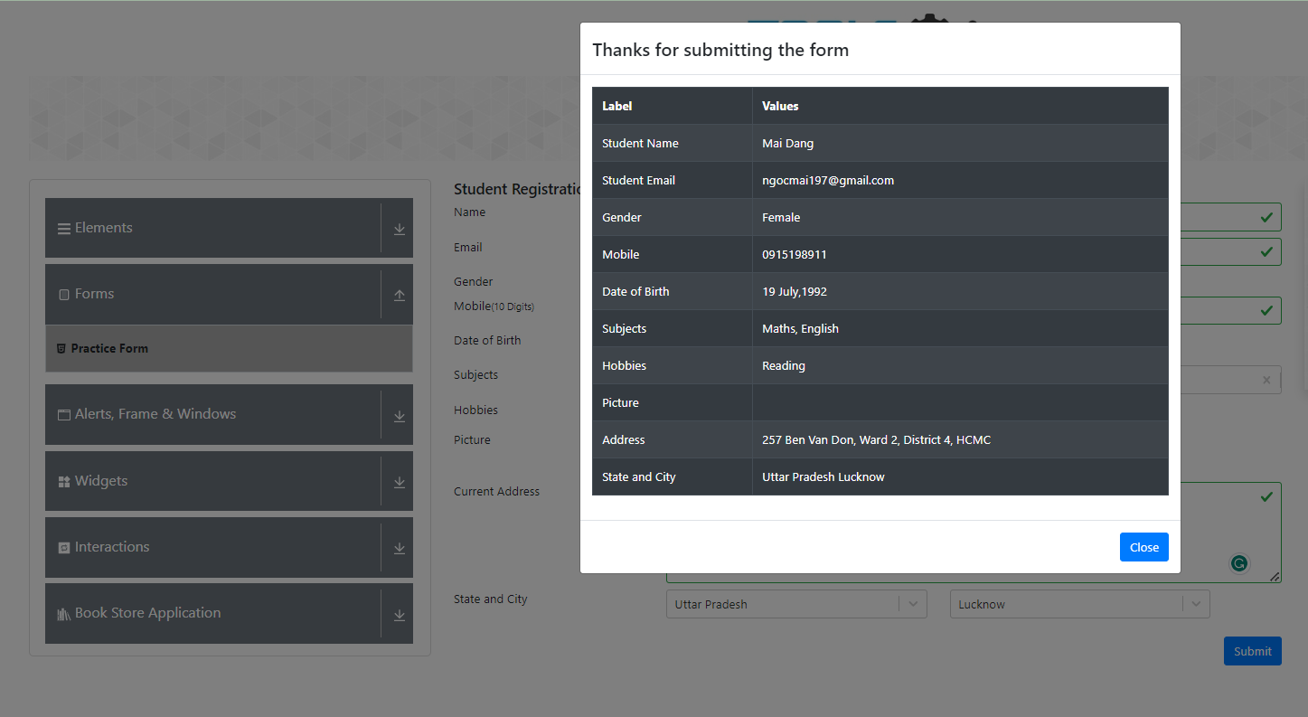 | PASS

